About
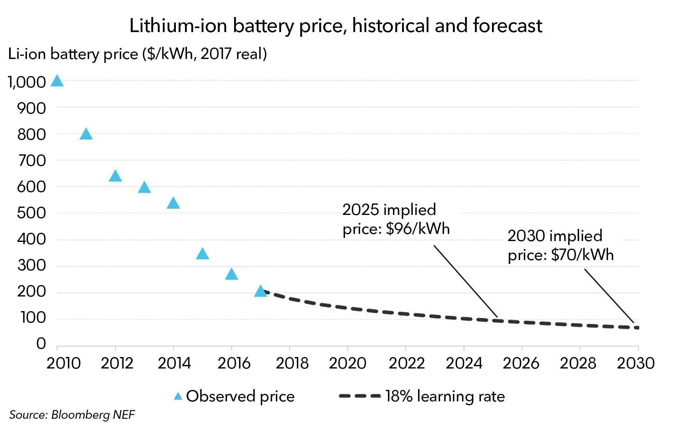
PDiBCpDoC Perc Decline in Battery Cost per Doubling of Capacity |  | 2021-04-21

Source: | Bloomberg New Energy Finance
 | 2018
 | New Energy Outlook 2018
 | https://bnef.turtl.co/story/neo2018
 | Chapter 6, Page 2, Figure at bottom of column 2 (online), also reproduced below
 |  | Note that the graph only extends to 2030, not 2050

